Sheet1
 | Document No. |  | Issue No. | Issue Date |  |  | Review and Replace Date |  | Authorised By
 | GFF399MC |  | 1 | 22.09.2023 |  |  | New Issue |  | Magda Shah
 | Document Title |  | PERI PERI CHICKEN SAMOSA 100G
Document amendments reason for change | New launch |  |  |  | Page 1 of 1 |  | Previous Issue Date | New Issue | Uncontrolled copy unless signed original

CCPSAL-G6T |  | GAZEBO BRAND |  |  | PERI PERI CHICKEN SAMOSA 100G

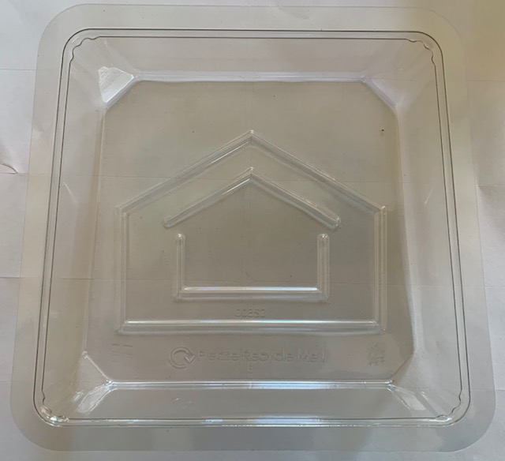 |  |  |  |  |  | 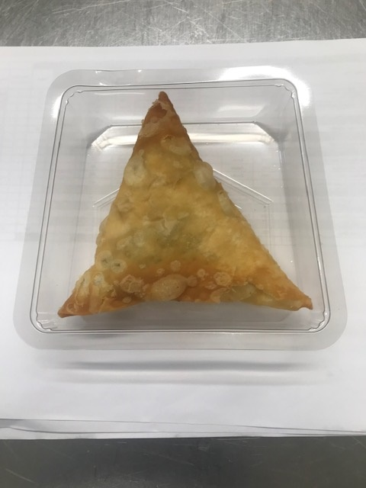 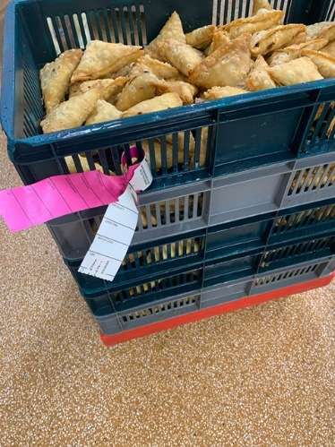

Colour coded tags-Pink & White should be on the Peri Peri Chicken Samosa trays.

Tray: Grab & Go 35MM Deep Tray (PKLEE001-07) |  |  |  |  |  | PERI PERI CHICKEN SAMOSA (GFF450R) 100 g
Film: K-peel 7G+25A/f-275mm (PKKMP001-03) |  |  |  |  |  | Total Weight: 100g
ALLERGY ALERT: SOYA, WHEAT

